listing
1) ENGLISH ITEM NAME (ex : OOOO machine) | 2)中文名称 | 3) MANUFACTUROR (ex : OOO company) | 4) MODEL NO (ex : abc-123) | 5)Serial number | 6)CN hs code | 7)VN hs code | 8)Material | 9) VOLTAGE (ex : 220V) | 10) CAPACITY (ex :1200KW) | 11) Manufacture date (yyyy-mm-dd) | 12) ORIGIN | 13) NEW or USED | 14) PICTURE (BEFORE PACKING) | 15) PICTURE (NAME PLATE or label) | 16)Quantity | 17)cost(RMB 13%VAT) | 18)cost(USD) | 19)Total cost(USD) | 20)CARTON NO. | 21)CTN QTY | 22)G.W(KGS) | 23)N.W(KGS) | 24)Package Size(CM) | 25)Part size(CM) | 26)应用范围 | 27)是否带电源
Process the lamp fixture | 加工灯治具 | Techsen Electronics(ShenZhen)Co.,Ltd | CATCH PHRASE | CATCH F01 |  |  | 铁 |  |  | 2026-03-24 | CHINA | NEW | 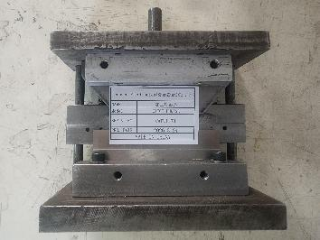 | 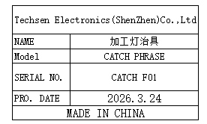 | 1 | 200 |  |  |  | M1 | 16 | 3.8 | 52x35x27 | 15x18x17 | Production Assemble | NO
Welding lamp fixture | 焊灯治具 | Techsen Electronics(ShenZhen)Co.,Ltd | CATCH PHRASE | CATCH F02 |  |  | 电木 |  |  | 2026-03-24 | CHINA | NEW | 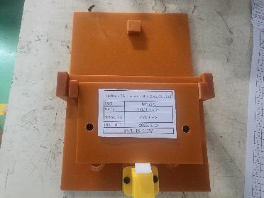 | 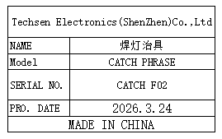 | 2 | 50 |  |  |  |  |  | 0.6*2 |  | 17x24x8 | Production Assemble | NO
Attach LCD reflective paper fixtures | 贴LCD反光纸治具 | Techsen Electronics(ShenZhen)Co.,Ltd | CATCH PHRASE | CATCH F03 |  |  | 电木 |  |  | 2026-03-24 | CHINA | NEW | 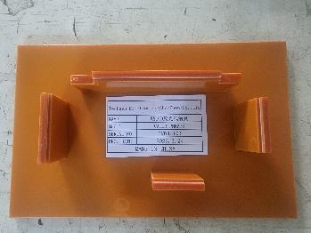 | 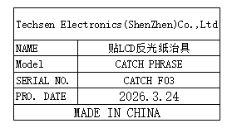 | 3 | 50 |  |  |  |  |  | 0.2*3 |  | 19.5x112x3 | Production Assemble | NO
Assemble LCD fixture | 组裝LCD治具 | Techsen Electronics(ShenZhen)Co.,Ltd | CATCH PHRASE | CATCH F04 |  |  | 电木 |  |  | 2026-03-24 | CHINA | NEW | 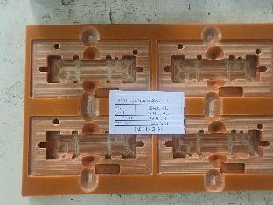 | 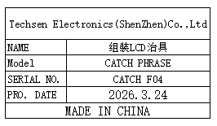 | 6 | 50 |  |  |  |  |  | 0.4*6 |  | 26x17x1 | Production Assemble | NO
The J1 key plate fixture is divided | 分J1按键板治具 | Techsen Electronics(ShenZhen)Co.,Ltd | CATCH PHRASE | CATCH F05 |  |  | 电木/铝 |  |  | 2026-03-24 | CHINA | NEW | 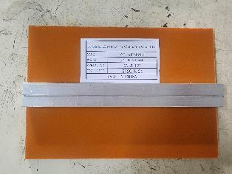 | 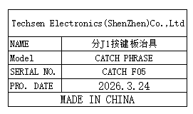 | 1 | 50 |  |  |  |  |  | 0.2 |  | 17x12x1.5 | Production Assemble | NO
Weld the J1 key plate fixture | 焊J1按键板治具 | Techsen Electronics(ShenZhen)Co.,Ltd | CATCH PHRASE | CATCH F06 |  |  | 电木 |  |  | 2026-03-24 | CHINA | NEW | 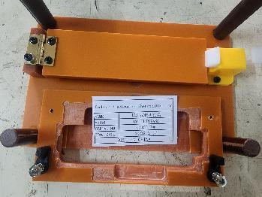 |  | 1 | 80 |  |  |  |  |  | 0.3 |  | 18x14x6 | Production Assemble | NO
Welding horn wire fixture | 焊喇叭线治具 | Techsen Electronics(ShenZhen)Co.,Ltd | CATCH PHRASE | CATCH F07 |  |  | 电木 |  |  | 2026-03-24 | CHINA | NEW | 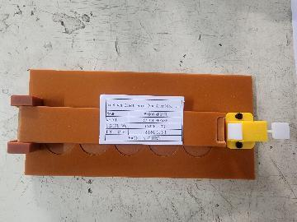 | 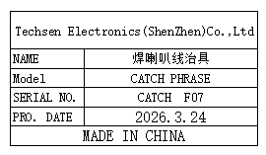 | 1 | 50 |  |  |  |  |  | 0.3 |  | 21x10x4 | Production Assemble | NO
Beer nut fixture | 啤螺母治具 | Techsen Electronics(ShenZhen)Co.,Ltd | CATCH PHRASE | CATCH F08 |  |  | 电木 |  |  | 2026-03-24 | CHINA | NEW | 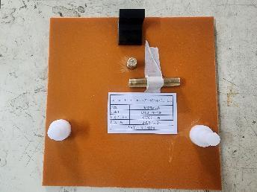 | 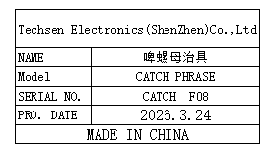 | 1 | 50 |  |  |  |  |  | 0.2 |  | 18x18x3 | Production Assemble | NO
Beer battery cell fixture | 啤电池片治具 | Techsen Electronics(ShenZhen)Co.,Ltd | CATCH PHRASE | CATCH F09 |  |  | 铁 |  |  | 2026-03-24 | CHINA | NEW | 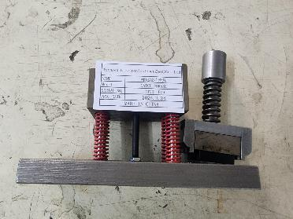 | 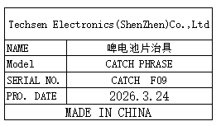 | 1 | 300 |  |  |  |  |  | 3.2 |  | 16x8x10 | Production Assemble | NO
Weld the BAT lead fixture | 焊接BAT引线治具 | Techsen Electronics(ShenZhen)Co.,Ltd | CATCH PHRASE | CATCH F10 |  |  | 电木 |  |  | 2026-03-24 | CHINA | NEW | 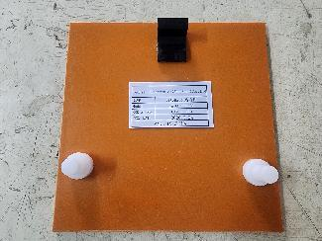 | 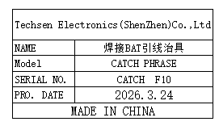 | 1 | 50 |  |  |  |  |  | 0.3 |  | 18x18x3 | Production Assemble | NO
Screwdriver fixture for horn cover screws | 打喇叭盖螺丝治具 | Techsen Electronics(ShenZhen)Co.,Ltd | CATCH PHRASE | CATCH F11 |  |  | 电木 |  |  | 2026-03-24 | CHINA | NEW | 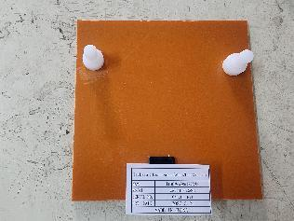 | 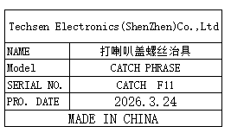 | 1 | 50 |  |  |  |  |  | 0.3 |  | 18x18x3 | Production Assemble | NO
Drill the mainboard screw fixture | 打主板螺丝治具 | Techsen Electronics(ShenZhen)Co.,Ltd | CATCH PHRASE | CATCH F12 |  |  | 电木 |  |  | 2026-03-24 | CHINA | NEW | 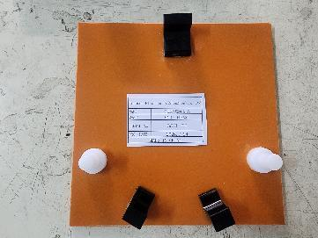 | 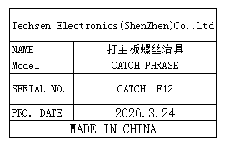 | 1 | 50 |  |  |  |  |  | 0.3 |  | 18x18x3 | Production Assemble | NO
Screwdriver fixtures for decorative panels | 打装饰板螺丝治具 | Techsen Electronics(ShenZhen)Co.,Ltd | CATCH PHRASE | CATCH F14 |  |  | 电木 |  |  | 2026-03-24 | CHINA | NEW | 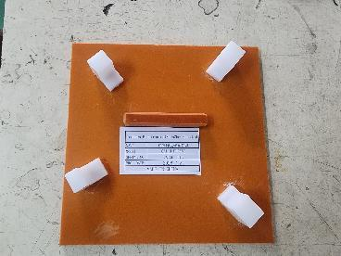 | 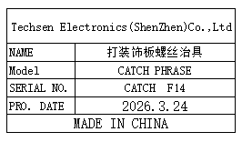 | 2 | 50 |  |  |  |  |  | 0.3 |  | 18x18x3 | Production Assemble | NO
Drill the finished screw fixture | 打成品螺丝治具 | Techsen Electronics(ShenZhen)Co.,Ltd | CATCH PHRASE | CATCH F15 |  |  | 电木 |  |  | 2026-03-24 | CHINA | NEW | 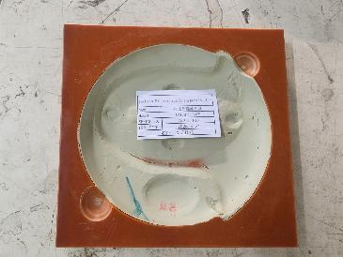 | 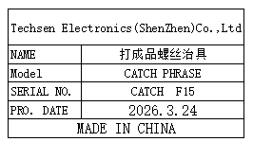 | 2 | 50 |  |  |  |  |  | 0.6*2 |  | 18x18x2 | Production Assemble | NO
Battery door screw fixture | 打电池门螺丝治具 | Techsen Electronics(ShenZhen)Co.,Ltd | CATCH PHRASE | CATCH F16 |  |  | 电木 |  |  | 2026-03-24 | CHINA | NEW | 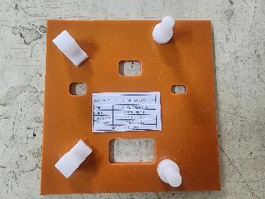 | 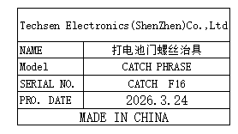 | 1 | 50 |  |  |  |  |  | 0.2 |  | 18x18x3 | Production Assemble | NO
Use the console date fixture | 打主机日期治具 | Techsen Electronics(ShenZhen)Co.,Ltd | CATCH PHRASE | CATCH F17 |  |  | 电木 |  |  | 2026-03-24 | CHINA | NEW | 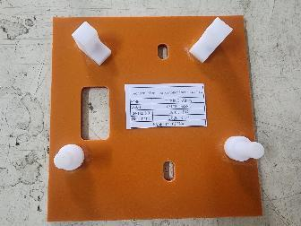 | 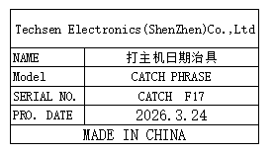 | 1 | 50 |  |  |  |  |  | 0.2 |  | 18x18x3 | Production Assemble | NO
Functional test stand fixture | 功能测试架 治具 | Techsen Electronics(ShenZhen)Co.,Ltd | CATCH PHRASE | CATCH J01 |  |  | 电木 |  |  | 2026-03-09 | CHINA | NEW | 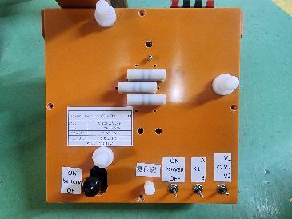 | 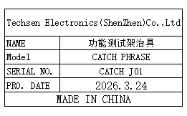 | 5 | 300 |  |  |  | M2 | 17.7 | 2.5*5 | 56x40x24 | 20x20x30 | Production Assemble | NO
Pull Q test stand fixture | 拉Q测试架治具 | Techsen Electronics(ShenZhen)Co.,Ltd | CATCH PHRASE | CATCH F13 |  |  | 电木 |  |  | 2026-03-24 | CHINA | NEW | 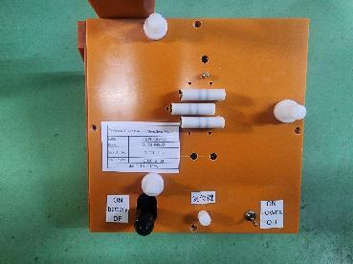 | 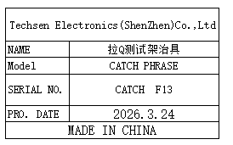 | 2 | 300 |  |  |  |  |  | 2.1 |  | 20x20x30 | Production Assemble | NO
switching power supply | 开关电源 | MEAN WELL Enterprises Co., Ltd. | RD-50A | SC5B286067 |  |  | 电子元件/铁/电线 | 220V | 50W | 2026.03.23 | China | NEW | 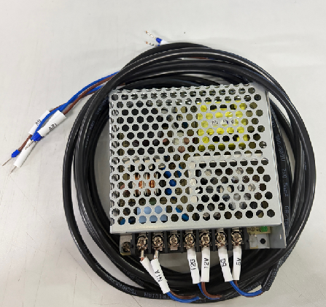 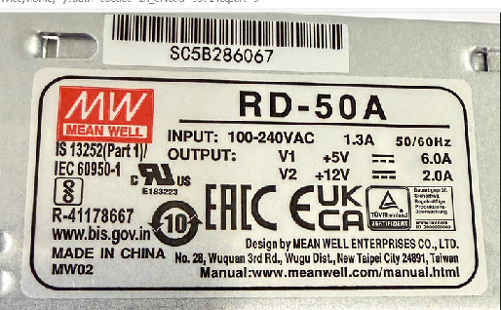 |  | 1 | 350 |  |  |  | M3 | 1.8 | 1 | 27*22*8 | 15*11*8 | SMT machine maintenance | NO

